Model Analysis
Model Insights

 | Total Energy Consumption | 1.88 billion MW
 | Average hourly consumption | 15,500 MW

 |  | -----------> | Energy consumption is lowest at 4 AM, reflecting minimal industrial and residential activity during early morning hours.

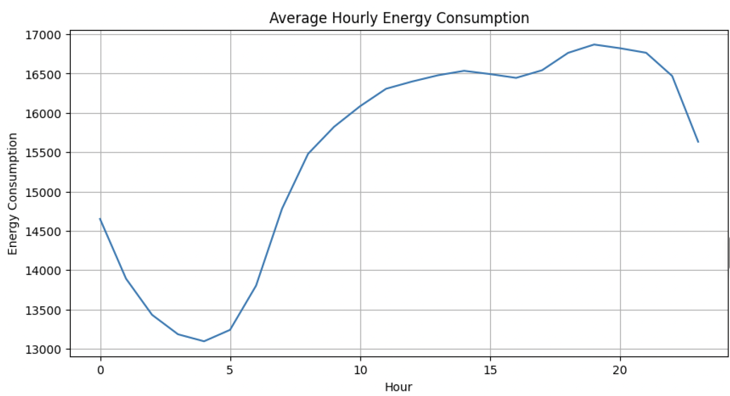

 |  | -----------> | The highest average energy consumption occurs during evening hours, with peak usage observed at 7 PM (Hour 19), indicating increased residential and commercial electricity demand during evening activities.

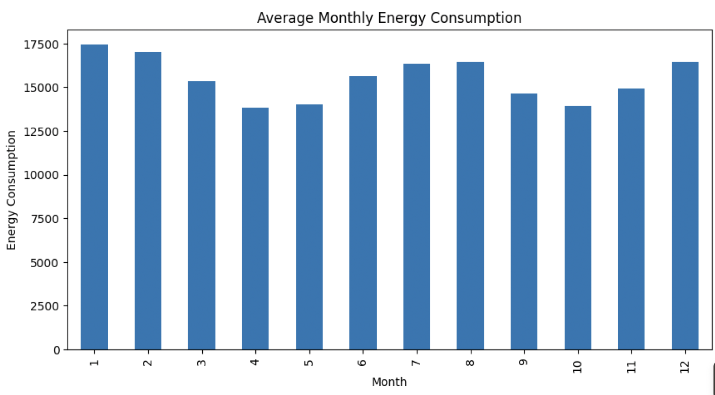
 |  |  | Energy usage is significantly higher during winter months (January, February, and December), suggesting increased heating demand and seasonal electricity dependence.

 |  |  | April and October recorded comparatively lower energy consumption, indicating reduced seasonal energy requirements during moderate weather conditions.

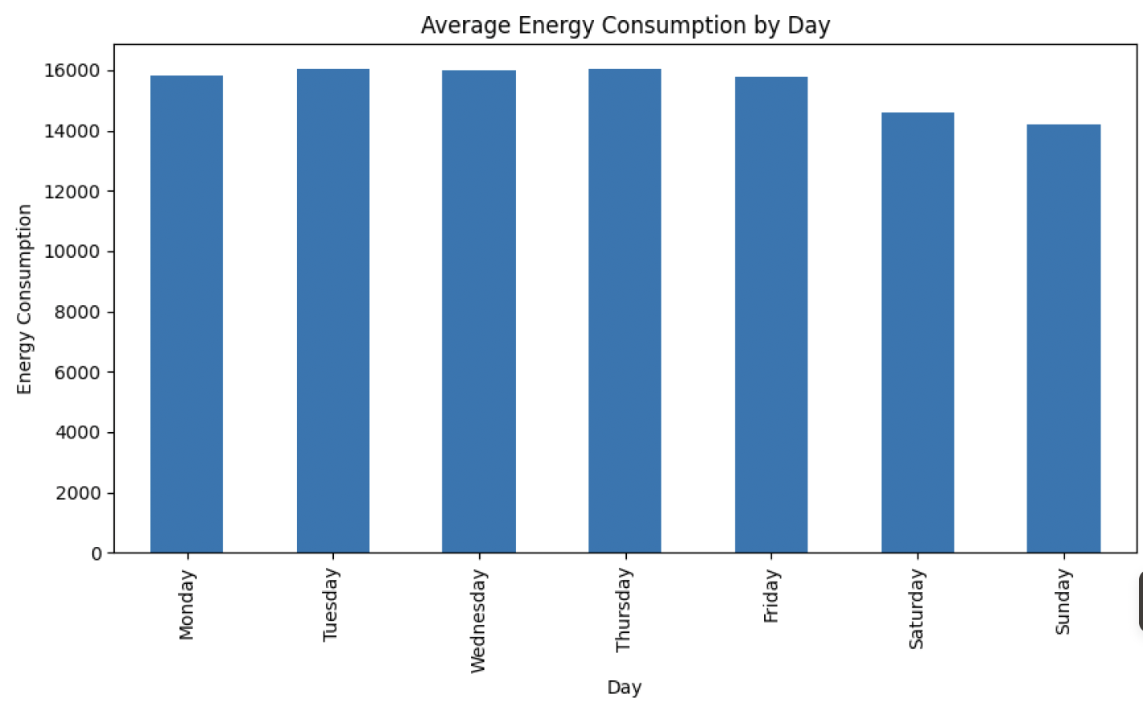
 |  |  | Weekday energy consumption is consistently higher than weekend usage, indicating stronger industrial, office, and commercial electricity demand during working days.

 |  |  | Tuesday and Thursday exhibit the highest average energy usage among weekdays, suggesting peak operational and commercial activity during midweek periods.

 |  |  | Sunday recorded the lowest average energy consumption, reflecting reduced business operations and lower industrial activity.

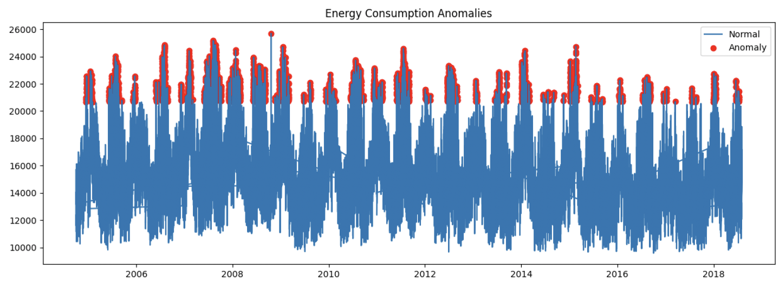
 |  |  | Multiple abnormal spikes in energy usage were detected, indicating periods of unusually high electricity demand that may require infrastructure optimization or load balancing strategies.

 |  |  | Energy consumption shows a moderate positive correlation with hour of the day (0.42), confirming that time plays an important role in electricity demand patterns.

 | The analysis reveals strong temporal patterns in electricity usage, with energy demand heavily influenced by hour of the day, weekdays, and seasonal changes. Peak evening demand and winter consumption trends highlight the importance of efficient energy distribution and demand forecasting.

 | Recommendation:

 | Encourage consumers to shift high-energy appliance usage to off-peak hours to reduce pressure during evening peak demand.
 | Implement smart grid monitoring systems to identify and respond to abnormal energy spikes in real time.
 | Energy providers should strengthen infrastructure capacity during winter months due to significantly higher consumption.
 | Introduce dynamic pricing models during peak hours to optimize electricity distribution and reduce overload risk.
 | Promote energy-efficient appliances and public awareness campaigns to reduce unnecessary consumption during peak periods.

